Display Settings
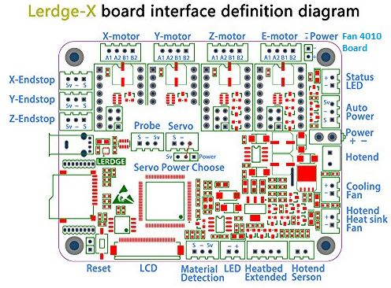
Setting at Display | Value | Unit | g-code | Angel Config verified | Notes | Marlin compatible
STRUCTURE SETTINGS | CoreXY MACHINE | enum | M860 | Ok |  | -

X-AXIS MAX DISTANCE | 200 | mm | M860 | Ok |  | -
Y-AXIS MAX DISTANCE | 200 | mm | M860 | Ok |  | -
Z-AXIS MAX DISTANCE | 200 | mm | M860 | Ok |  | -

X-AXIS HOME POSITION | MIN | enum | M861 | Ok |  | -
Y-AXIS HOME POSITION | MAX | enum | M861 | Ok |  | -
Z-AXIS HOME POSITION | MIN | enum | M861 | Ok |  | -

X-AIXS HOME OFFSET | 0 | mm | M206 | Ok |  | Yes
Y-AIXS HOME OFFSET | 10 | mm | M206 | Ok |  | Yes
Z-AIXS HOME OFFSET | 0 | mm | M206 | Ok |  | Yes

X ENDSTOP WIRING MODE | N-O | enum |  |  |  | -
Y ENDSTOP WIRING MODE | N-O | enum |  |  |  | -
Z ENDSTOP WIRING MODE | N-O | enum |  |  |  | -

X ENDSTOP TRIGGER MODE | HIG | enum | M862 / M863 | Ok |  | -
Y ENDSTOP TRIGGER MODE | HIG | enum | M862 / M863 | Ok |  | -
Z ENDSTOP TRIGGER MODE | HIG | enum | M862 / M863 | Ok |  | -

X-AXIS MAX ACCELERATION | 1200 | mm/s² | M201 | Ok |  | Yes
Y-AXIS MAX ACCELERATION | 1200 | mm/s² | M201 | Ok |  | Yes
Z-AXIS MAX ACCELERATION | 20 | mm/s² | M201 | Ok |  | Yes
E-AXIS MAX ACCELERATION | 800 | mm/s² | M201 | Ok |  | Yes

PRINTING ACCELERATION | 1500 | mm/s² | M204 | Ok |  | Yes
TRAVEL ACCELERATION | 2000 | mm/s² | M204 | Ok |  | Yes
EXTRUSION ACCELERATION | 1000 | mm/s² | M204 | Ok |  | Yes

X-AXIS MAX SPEED | 200 | mm/s | M203 | Ok |  | Yes
Y-AXIS MAX SPEED | 200 | mm/s | M203 | Ok |  | Yes
Z-AXIS MAX SPEED | 40 | mm/s | M203 | Ok |  | Yes
E1-AXIS MAX SPEED | 150 | mm/s | M203 | Ok |  | Yes

SAVE SPEED | 0.003 | mm/s | M205 | Ok
MIN TRAVEL SPEED | 5.003 | mm/s | M205 | Ok
MIN PRINTING SPEED | 5.000 | mm/s | M205 | Ok

X-AXIS MUTATION SPEED (Jerk) | 20 | mm/s | M205 | Ok
Y-AXIS MUTATION SPEED | 20 | mm/s | M205 | Ok
Z-AXIS MUTATION SPEED | 5 | mm/s | M205 | Ok
E-AXIS MUTATION SPEED | 10 | mm/s | M205 | Ok

X-AXIS HOMING SPEED | 25 | mm/s | M210 | Ok
Y-AXIS HOMING SPEED | 25 | mm/s | M210 | Ok
Z-AXIS HOMING SPEED | 10 | mm/s | M210 | Ok

X-AXIS STEP VALUE | 640 | steps/mm | M92 | Ok
Y-AXIS STEP VALUE | 640 | steps/mm | M92 | Ok
Z-AXIS STEP VALUE | 400 | steps/mm | M92 | Ok
E1-AXIS STEP VALUE | 400 | steps/mm | M92 | Ok | calibrated 390
E2-AXIS STEP VALUE | 0 | steps/mm | M92 | Ok

X-AXIS DIRECTION | CCW | Clock Directions | M93 | Ok
Y-AXIS DIRECTION | CCW | Clock Directions | M93 | Ok
Z-AXIS DIRECTION | CW | Clock Directions | M93 | Ok
E1-AXIS DIRECTION | CCW | Clock Directions | M93 | Ok
E2-AXIS DIRECTION | CW | Clock Directions | M93 | Ok

HOTEND 1 SETTINGS
SENSOR TYPE | TR | enum | M865 H1 | Ok
MIN TEMPERATURE | 0 | °C | M142 H1 | Ok | 170 °C is useful
MAX TEMPERATURE | 250 | °C | M143 H1 | Ok
PROTECTION THRESHOLD | 0.6 | °C | ??

HEATBED SETTIGNS
SENSOR TYPE | TR | enum | M865 B | Ok
MIN TEMPERATURE | 0 | °C | M142 B | Ok
MAX TEMPERATURE | 100 | °C | M143 B | Ok
PROTECTION THRESHOLD | 0 | °C | ??

